Sheet1
 |  |  |  |  | Bug Report

 |  |  |  |  | Date | 02/04/2025
 |  |  |  |  | Tested By | Anil Rajak
 |  |  |  |  | Platform
 |  |  |  |  | Operating System: | Window 10
 |  |  |  |  | Browser | Chrome , Edge Firefox
 |  |  |  |  | Quality Assurance | Testing

Bug ID | Test Case ID | Feature | Severity | Priority | Bug Description | Expected Result | Actual Result | Status | Screenshot
TB_001 | TC_003 | Register | High | High | Verify the register on Invalid credincial | User should be displayed error message | user register succesful | 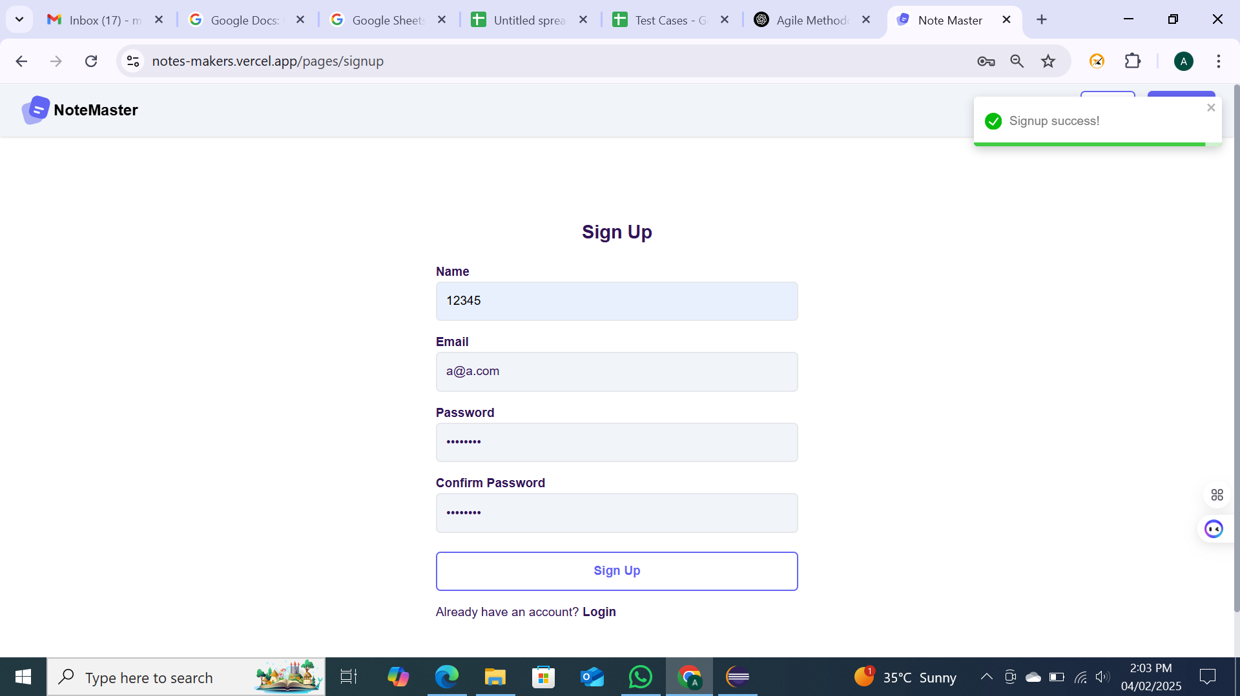 Fail
TB_002 | TC_004 | Register | Medium | High | Verify the user regiser use alphanumerical | User should be displayed error message | user register succesful | 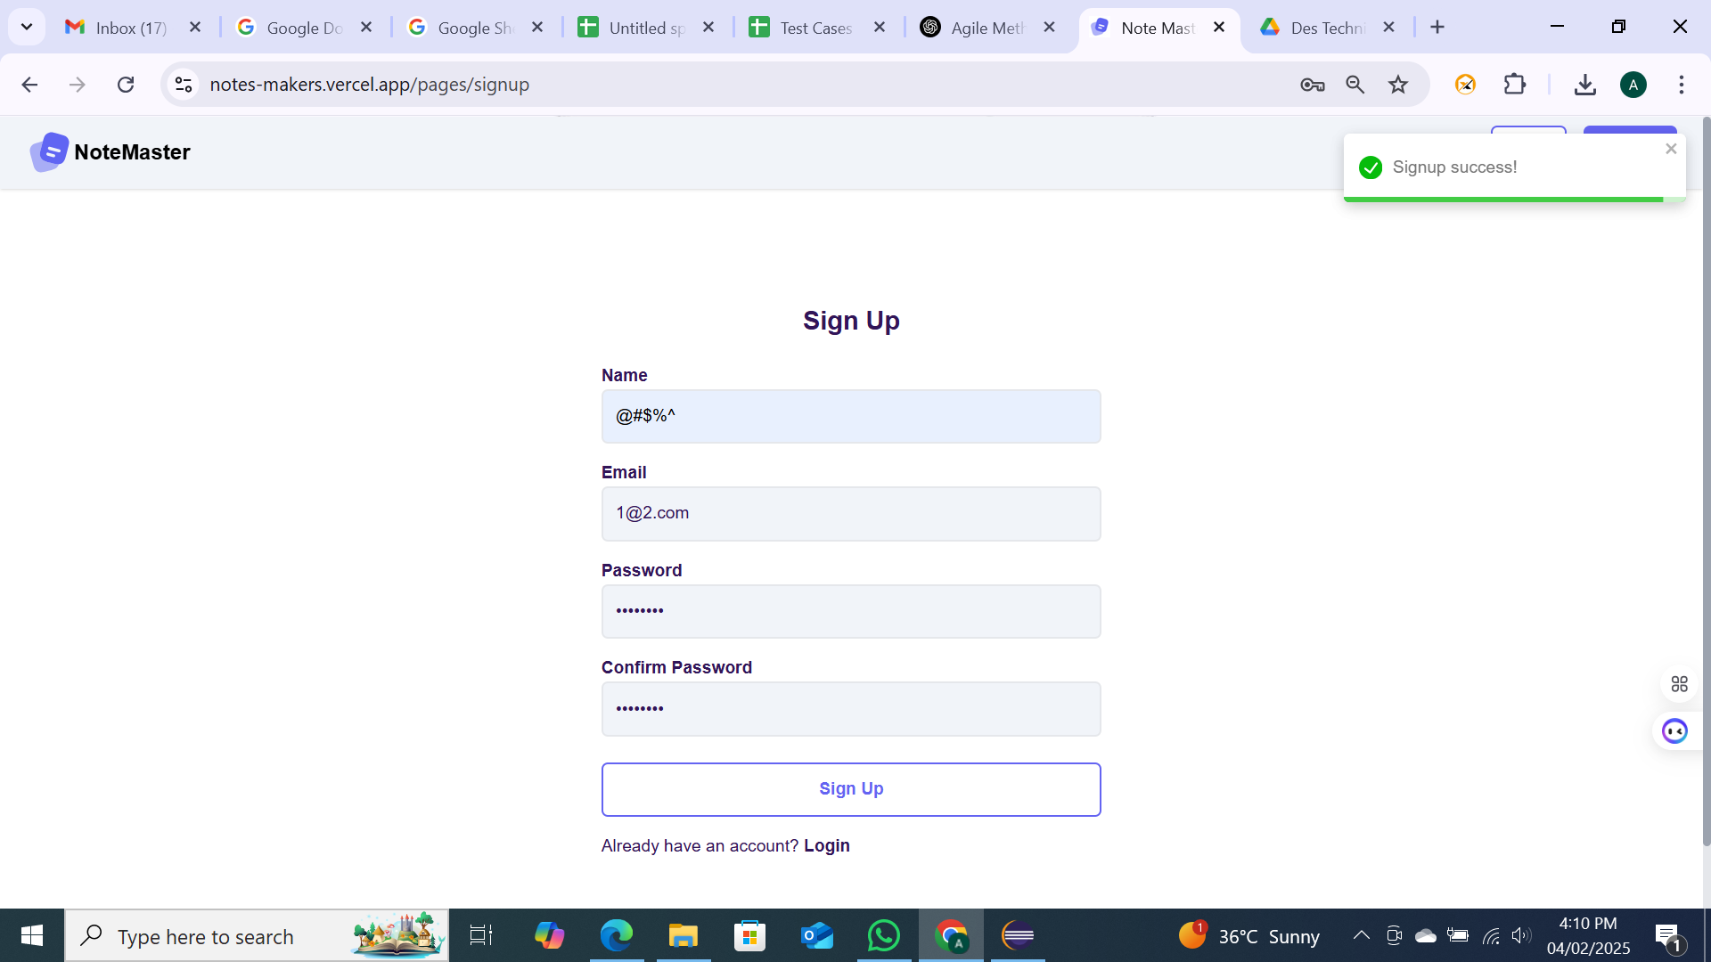 Fail
TB_003 | TC_005 | Register |  |  | Verify the user regiser use invalid gmail | User should be displayed error message | user register succesful | Fail
TB_004 | TC_006 s2 | UI/UX | low | medium | Verify the user click on logo in login page | user should be referesh the page | referesh the page but show some error message | 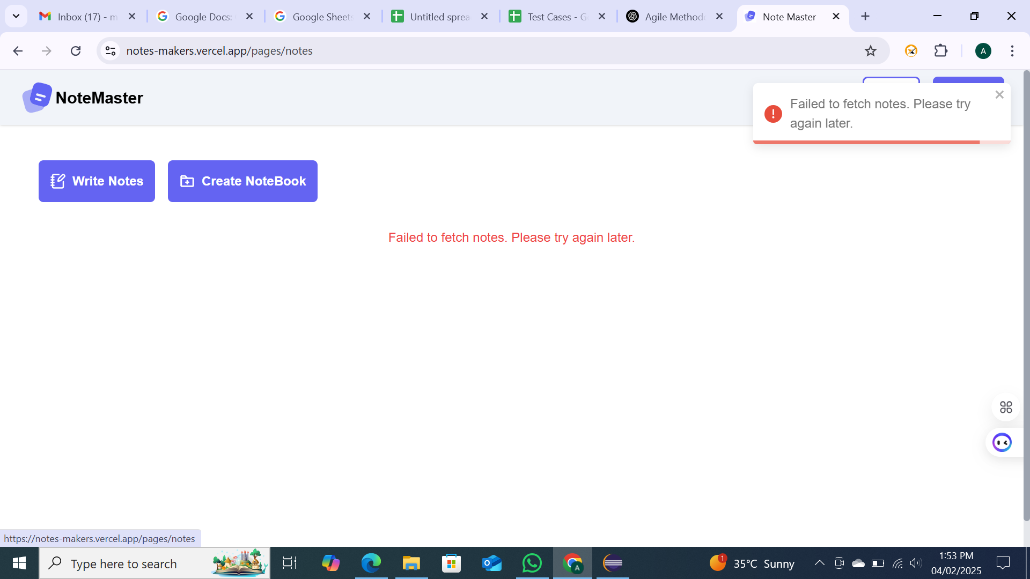 Fail
TB_005 | TC_005 s3 | Functional | low | medium | Verify the wirte note correctly and atteched image | user should be write note correctly and attached image save successful | Error meassage displayed Notes creation failed | 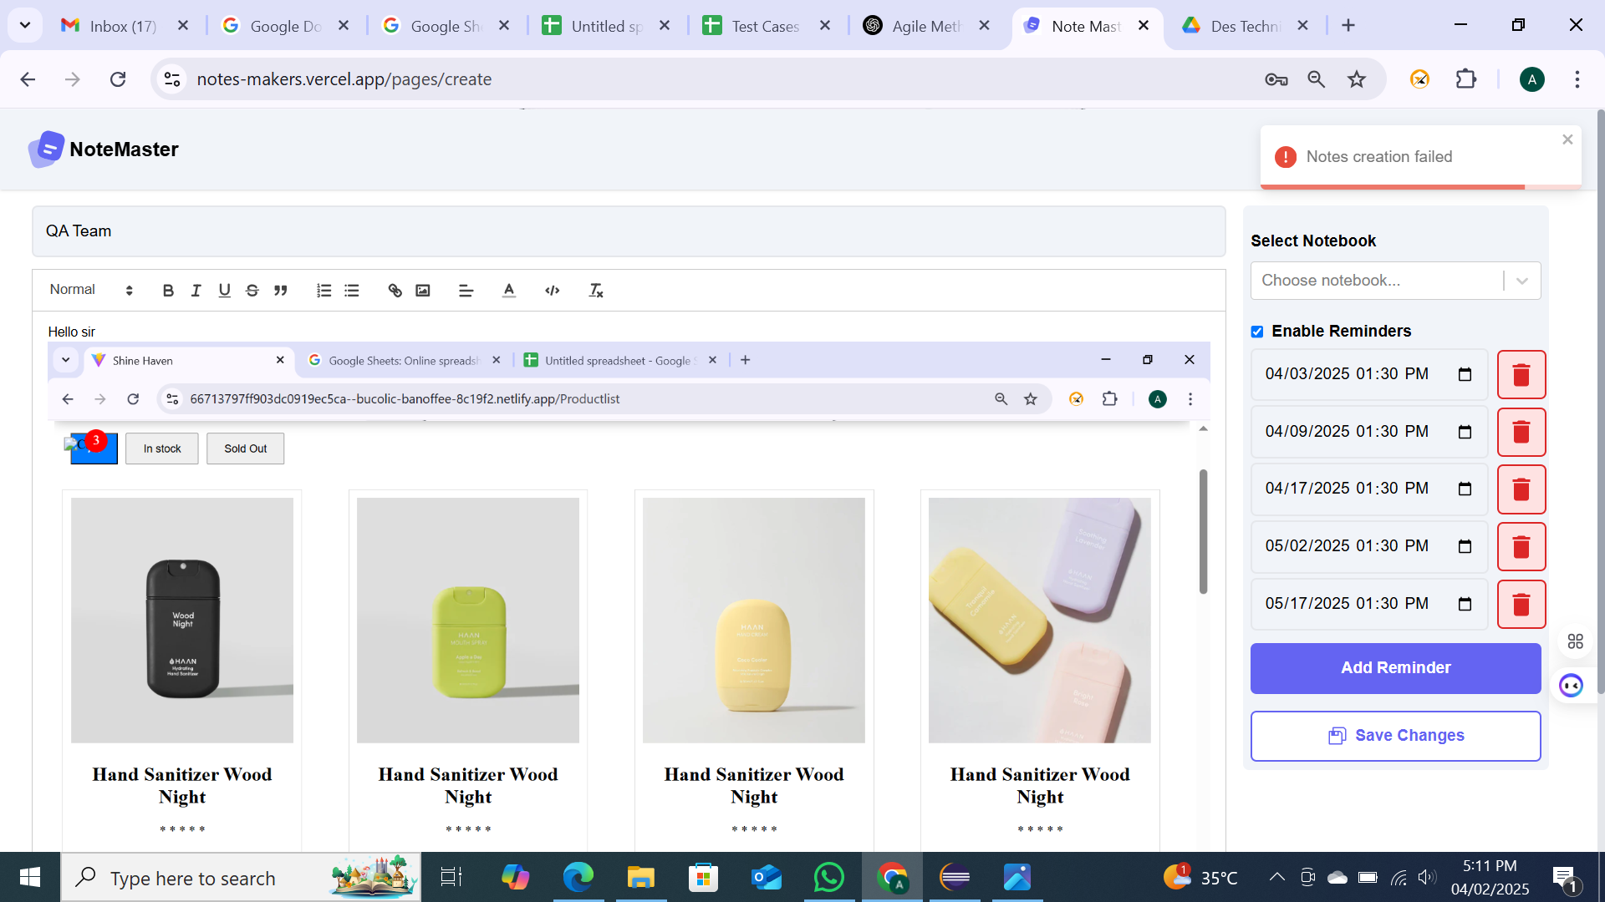 Fail
TB_006 | TC_003 s4 | Functional | medium | medium | verify the profile change email correctly | User should be profile email change correctly | email is not click option | 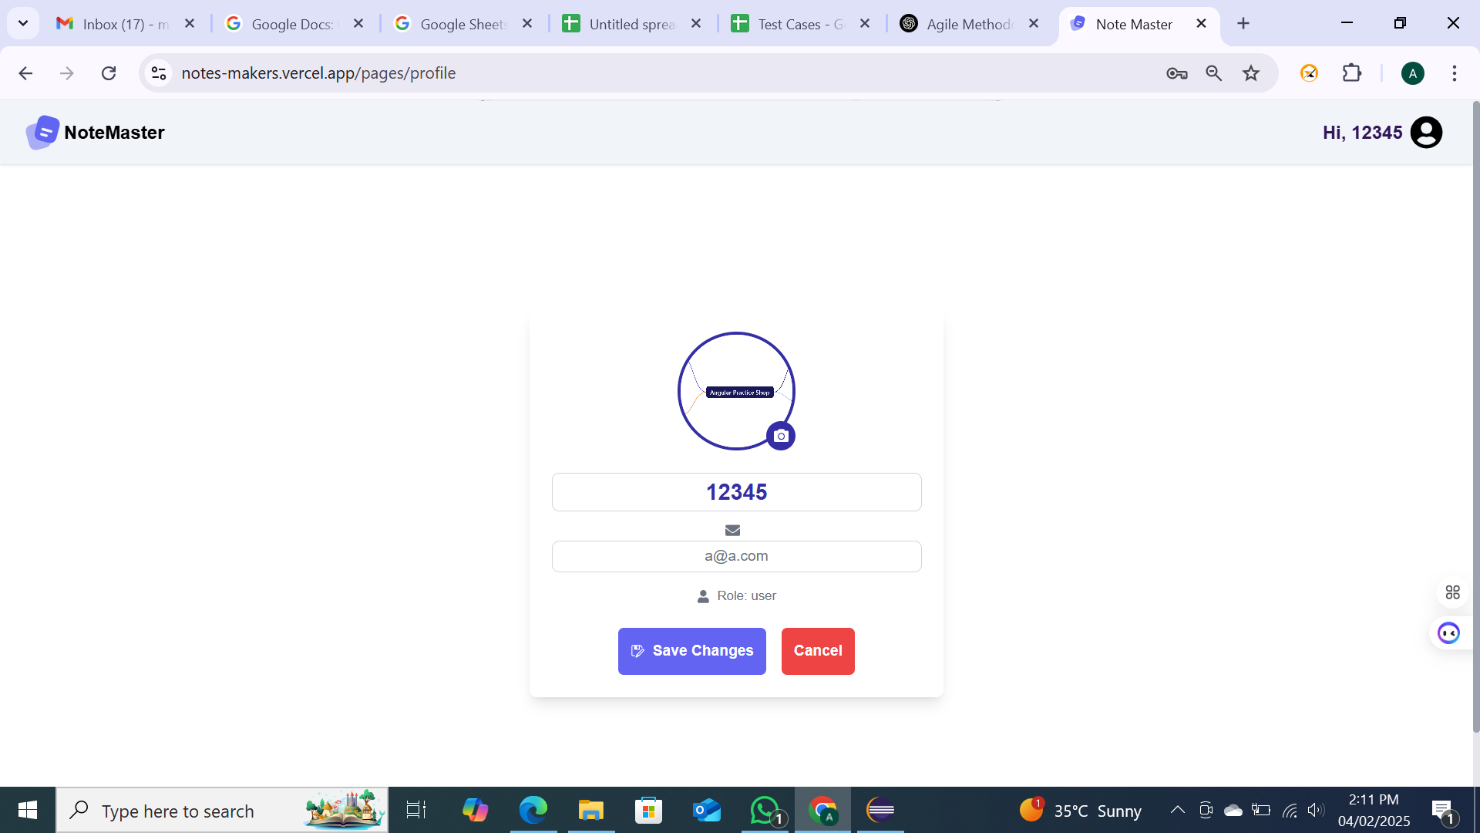 Fail
TB _007 | TC_004 s5 | Functional | low | medium | Verify delete of a notebook | The notebook should be deleted | Delete button is not there | Fail

